Instructions
  | Guide to Excel (2013) for Farmers Market SNAP/EBT Programs
How to Use This Resource
This resource is designed to provide basic Excel advice and tools, specifically for farmers market managers running SNAP/EBT programs. It's built specifically for Excel 2013 but much of the instruction should apply to other versions too. This first "Instructions" tab includes some general advice, and some very important tips and shortcuts. The 2nd through 5th tabs contain two templates for recordkeeping, each with an "empty" version ready for your data, and a version with sample data. The last tab includes an explanation and some instructions on how to make and use Pivot Tables, which are one of the most powerful tools a market manager can use in Excel!
This tool is a work in progress! Please let us know how to improve it, or contact us with questions, at margaret@rafiusa.org

General Excel Advice for Market Managers
Keep your data on the fewest possible number of tabs. Don't keep a different tab for each market day, month, or year: you will just be making it harder to put all that data together to analyze later. Instead, when you have some different characteristic for your data (like date, day of the week, year, etc), keep track of it in an additional column.
Make sure your data sets are not separated by any rows or columns of empty cells. Lots of the things Excel does automatically depend on it reading a cohesive "chunk" of data. This will also leave you already set up to use a Pivot Table (see the second tab of this workbook), a tool that can save you a LOT of time.
When you are recording names (of vendors, for example), make sure to record them exactly the same way each time. This will mean that later on when you are looking for totals of things you won't have three lines for Farmer Jane's Vegetables: "Farmer Janes Vegetables", "Farmer Jane's Vegetables", and "Farmer Jane's Veggies".
If you are losing track of column (or row) headers, you can "freeze" them: the "View" menu heading has options to freeze the top row or left-most column of your spreadsheet.
Have one or at most two people who can access your main data-storing spreadsheets, to minimize the chance of someone accidentally deleting your data, messing up formulas, etc. If you need volunteers to do data entry, send them a simple template as a separate file that you can then easily copy and paste into your main file. And of course, back up your data!
Keep a paper copy of your receipts (for EBT customers and for vendor reimbursements), so that you have them as a reference and can double check if you have a question about the data you have in Excel.
This video is an excellent step-by-step introduction to Excel. The youtube page includes a link to a downloadable workbook that you can use to follow along with the instructor. It is WORTH YOUR TIME. | https://www.youtube.com/watch?v=XWiWma4oTmI&list=PLrRPvpgDmw0nh4BBxqjcsnbB4ME4JjzfJ

Image 1
Excel Loves You and is Just Trying To Make Things Easier Super Handy Tips & Shortcuts that will help you love Excel back
Editing cells | Click on a cell and start typing to replace anything that is already in it; Double click on a cell to edit what is already there. You can also edit by single-clicking a cell and then clicking the long box at the top (Image 1)
Re-sizing cells | To make a row bigger or smaller or a column wider or skinnier, hover your cursor on the line between the row or column names. It will turn into an arrow pointing both directions with a line between then. Click and drag to change the size of the row or column; double click to automatically re-size the row or column to its contents.
Selecting entire rows or columns | Click on the row name on the left or the column name at the top of the screen to select an entire row or column.
Inserting or deleting rows or columns | Hover over the row or column names and right click to get a menu of options that includes inserting and deleting.
Control (or Command on Macs) + z | undo
Image 2
Control (or Command on Macs) + x | cut
Control (or Command on Macs) + c | copy
Control (or Command on Macs) + v | paste
Shift + direction arrows | This selects multiple cells, starting with the one you originally selected
Control (or Command on Macs) + direction arrows | This makes your cursor jump to the end or beginning of the next bit of data. It's great for getting quickly to the top or bottom of lists.
Control (or Command on Macs) + Shift + direction arrows | This helps you select an entire data set at a time: if you start in the top left corner, you can press Control + Shift + right arrow + down arrow, and you should have the whole chunk selected.
Automatic counting & adding | When you select a range of cells, Excel will summarize them for you! Look along the bottom of the screen to see the sum, the average, and the count of the cells (containing data) that you've selected (Image 2).

Pivot Tables- What, Why and How
Note: this section will make the most sense if you have already read & understood the Shortcuts section on the Instructions tab!

What is a Pivot Table?
A pivot table is a helpful and flexible Excel tool that is quick to set up and automatically adds, counts, or otherwise summarizes or sorts data for you, depending on what you ask it for. Basically, you give it criteria, and it calculates things for you.

Why should I use a Pivot Table?
It's a HUGE time saver!

How do I set up a Pivot Table?
The instructions below should help you to make both of the pivot tables that are currently found in the middle four tabs of this worksheet. For a thorough instructional video on pivot tables, check out the link on the right. |  | https://www.youtube.com/watch?v=e-yuYNgsHAk

 | 1. Make sure your data is properly set up
 | All your data of a single type - SNAP customer transactions, for example - should live in a single spreadsheet: all market days and months on one sheet. See the "Receipts w sample data" and "Token Collection w sample data" templates in this document as an example or as a practice data set to use. Include headers on the top line, and don't leave spaces between kinds of data: it should all be in one brick/chunk. Make sure you don't have anything else in columns below or above your data set. Your data set should then be surrounded by row/column headers or empty cells, to keep Excel from getting confused. | 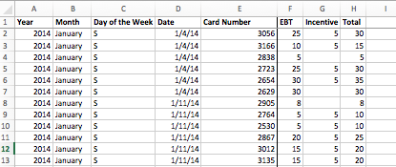

 | 2. Highlight your Data
 | Select all the columns of your data set. | Hint: select the column name above your spreadsheet to select an entire column. Click and drag across column names to select multiple columns.

 | 3. Create your Pivot Table
 | a) Go to the menu header "insert" and select "pivot table." Double check the "marching ants" around your data to make sure you've selected the right data. Under "select a table or range" you can also double check the column names, which Excel will auto-fill for you.
 | b) You can put your pivot table on the same worksheet as your source data set, or on a new sheet. I like to see it all in the same place so I put them on the same sheet; so for "Choose where to place your pivot table," select "Existing Worksheet" and click the cell where you want the upper left corner of the pivot table to go (be sure it's a couple columns away from your source data). The cell name will automatically fill in. Click "OK." | 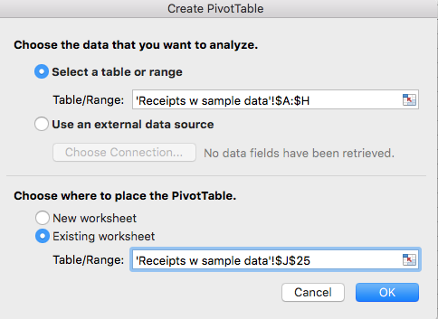
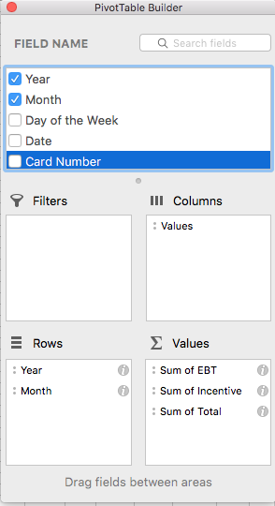
Field List Settings for "Receipts" table
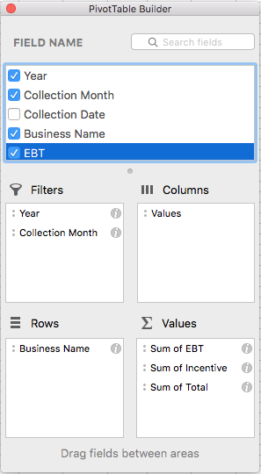
Field List Settings for "Token Collection" table
Empty Pivot Table and Builder
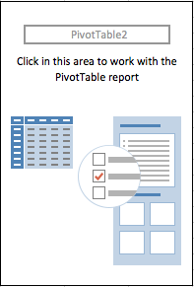
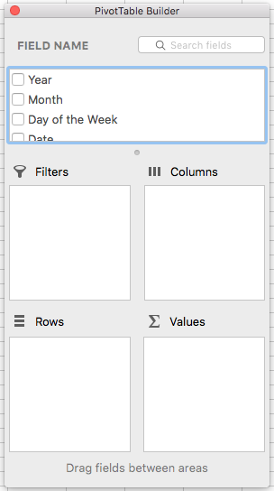
 | 4. Tell your Pivot Table what you want to find out
 | You'll start with an empty pivot table and a "pivot table builder." See the images on the right for what the empty pivot table looks like, as well as what the settings should look like for the two pivot tables below. | Hint: If your pivot table builder disappears, you can find it again by clicking inside your pivot table. The menu heading "Pivot Table Analyze" will come up. Select it and click "Field List," on the right side of the menu bar.
 | For the "Receipts" table: | For the "Token Collection" table
 | In the top box, "Field Name," select Year, Month, EBT, Incentive, and Total. Excel will automatically put them in one of the four boxes below. | In the top box, "Field Name," select Year, Collection Month, Business Name, EBT, Incentive, and Total.
 | Drag and drop the field names: Put Year and Month into "Rows" and put EBT, Incentive, and Total into "Values." You can drag and drop within each box to change the order with the pivot table as well. Put Year on top of Month, and from top down, EBT, Incentive, and Total | Drag and drop the field names: Put Year and Collection Month in "Filters," Business Name in "Rows," and EBT, Incentive, and Total in "Values."
 | Make sure that all the listings in the "Values" box are for Sum, and not Count;" On a Mac, Select the little circled "i" to the right of the listing, select "sum" and press OK. On a PC, click the drop-down that says "Count of EBT " (etc), and select "Value Field Settings." | Make sure that all the listings in the "Values" box are for Sum, and not Count;" On a Mac, Select the little circled "i" to the right of the listing, select "sum" and press OK. On a PC, click the drop-down that says "Count of EBT " (etc), and select "Value Field Settings."

 | 5. Refresh or Update your Table as Needed
 | When you add more data, you can update the pivot table to include all of the new data too. Click anywhere inside the pivot table (which makes the pivot table menu headings come up), select "pivot table analyze," and click "refresh." | Hint: the pivot tables in the "empty" template tabs are already set up, but without any data, they won't give you any conclusions. Once you have filled in some data, you can use this "Refresh" function to start analyzing the data you put in.

 | 6. Experiment!
 | Play around with changing which fields (ie, column headers) you've selected, and rearranging them in the pivot table builder, to see what kinds of different information the pivot table can show you!

